Query
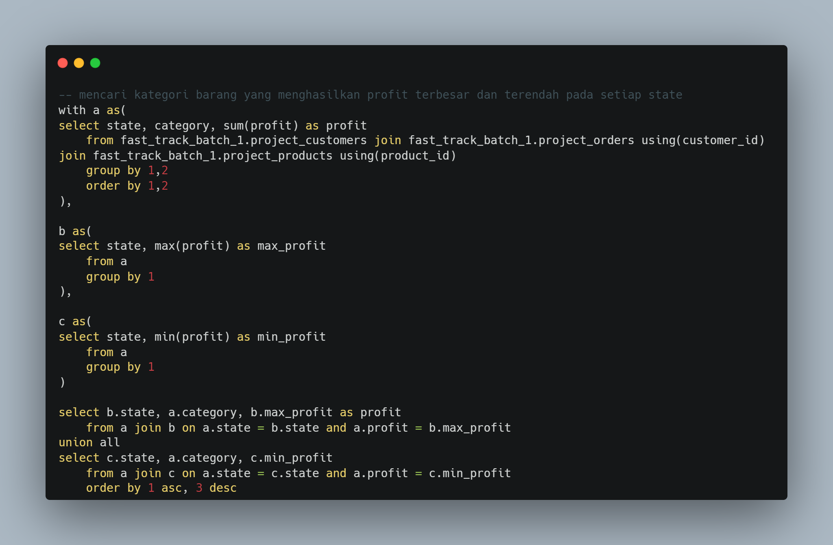

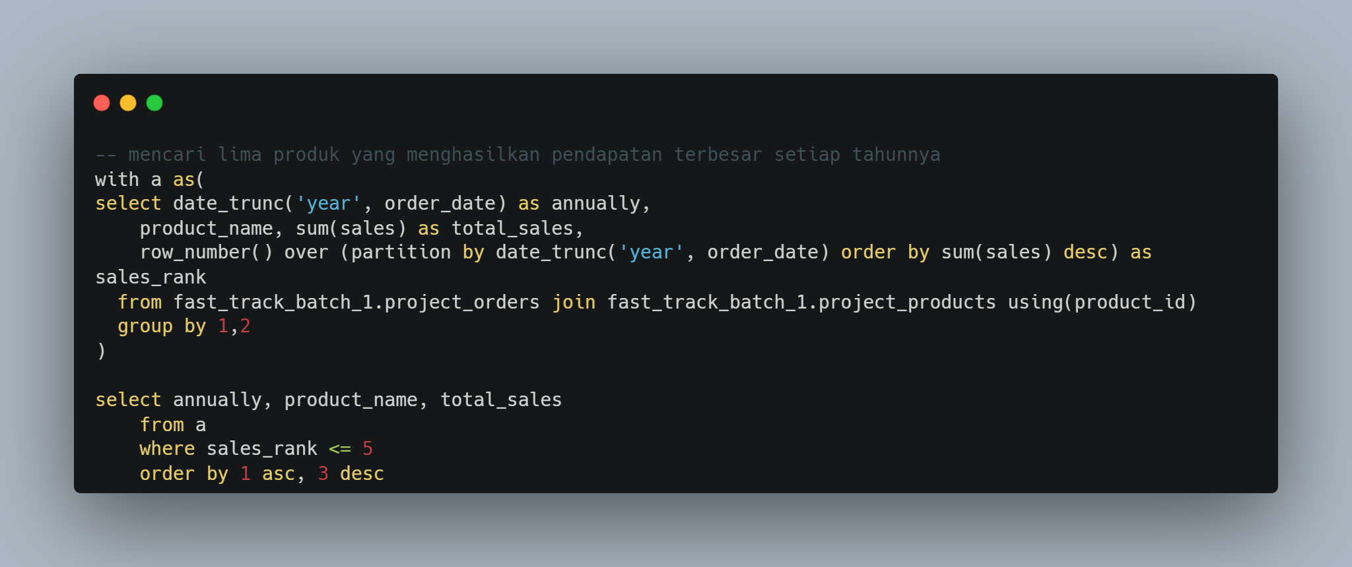

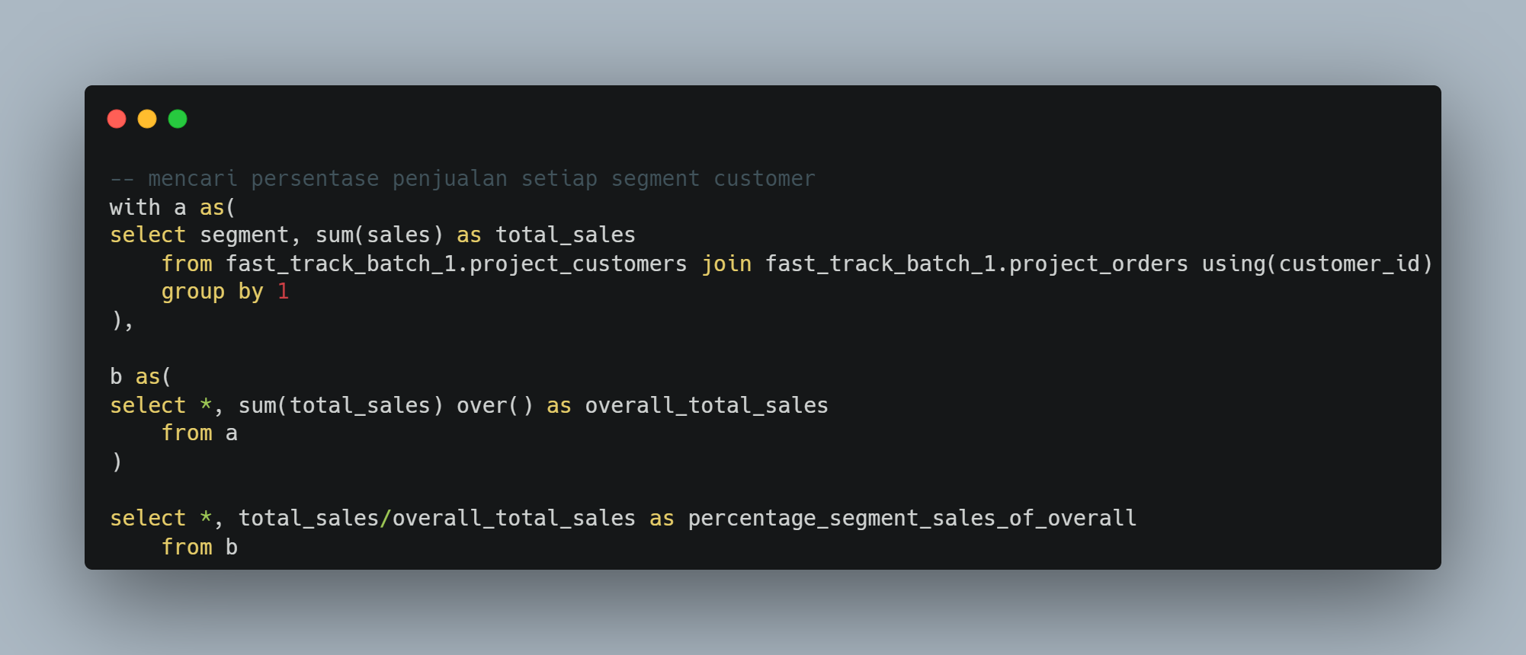

Dashboard
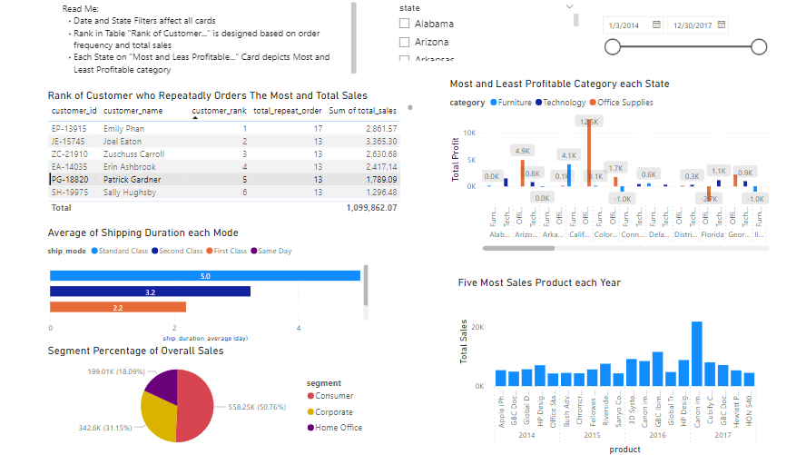
Note:
- The dashboard is made using Power BI (I don't have Excel license, Sheet is limited for dashboarding)
- I couldn't sahre dashboard link as my account is connected to college (sharing dissabled)
- You can access by downloading the file instead,
https://drive.google.com/file/d/1fFMRedXXl5-nOCVUY0bwBlAoZKbKFV35/view?usp=sharing

